Visualization
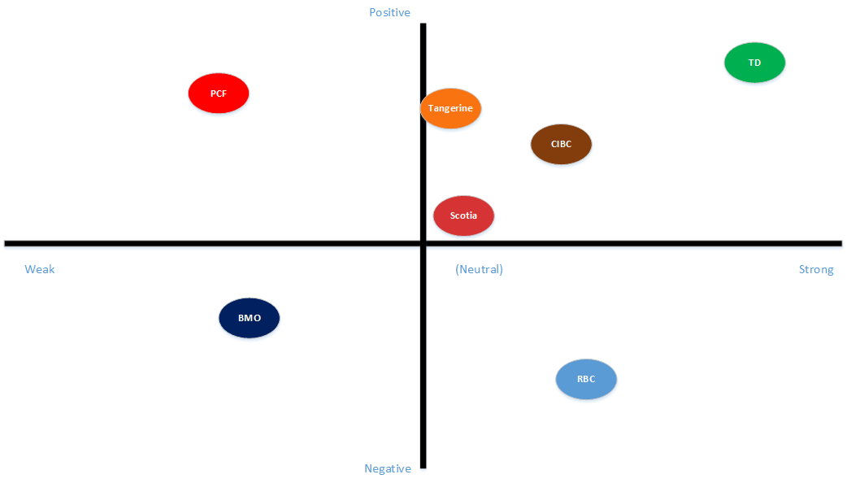
DROP TABLE Banks_lwc;
CREATE TABLE |  | Graph | (Type, Polarity)
Banks_lwc AS
SELECT DISTINCT(A.word), A.cnt, B.Type, B.priorpolarity, CONCAT(B.Type, B.priorpolarity)
FROM
Banks_wc A
INNER JOIN
lex_table B
ON (A.word = B.Word1)
;

negative | -1
positive | 1
neutral | 0

strong | 1
weak | 0.5

 |  | -/0/+ | strong/weak
BMO | Count | priorpolarity | Type
Good | 50 | 1 | 1 | 0.17857142857 | 0.17857142857
Bad | 30 | -1 | 1 | 0.10714285714 | -0.10714285714
Neutral | 200 | 0 | 1 | 0.71428571429 | 0

Total | 280
 |  |  | weak = .5

